Nup98-HOXD13 gene list compared
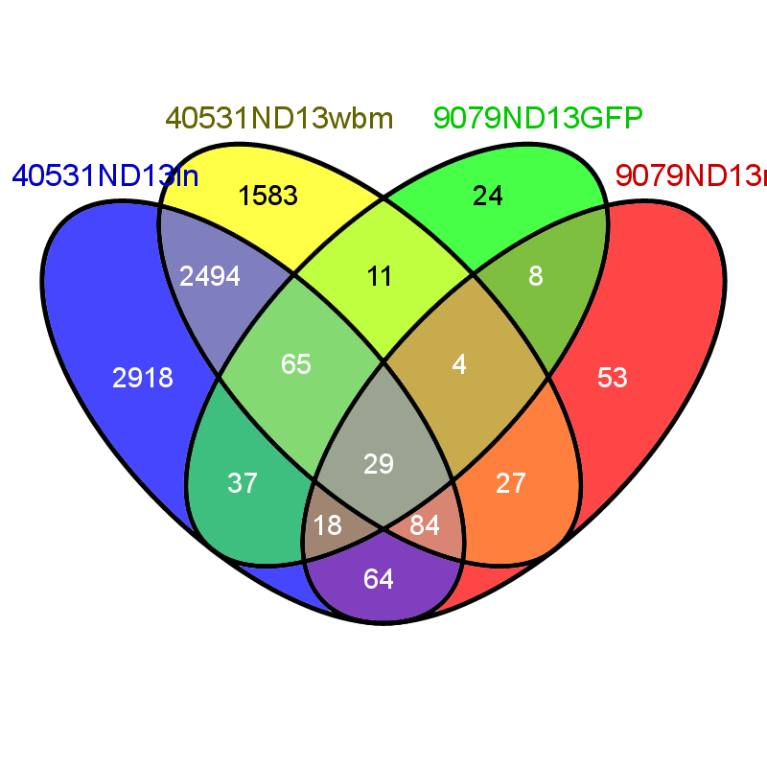
 | Common elements in "40531ND13ln", "40531ND13wbm", "9079ND13GFP" and "9079ND13mut": | Common elements in "40531ND13wbm" and "9079ND13GFP": | Common elements in "40531ND13ln", "40531ND13wbm" and "9079ND13GFP": | Common elements in "40531ND13wbm", "9079ND13GFP" and "9079ND13mut": | Common elements in "40531ND13ln" and "40531ND13wbm": | Common elements in "9079ND13GFP" and "9079ND13mut": | Common elements in "40531ND13ln" and "9079ND13GFP": | Common elements in "40531ND13ln", "9079ND13GFP" and "9079ND13mut": | Common elements in "40531ND13ln" and "9079ND13mut": | Common elements in "40531ND13ln", "40531ND13wbm" and "9079ND13mut": | Common elements in "40531ND13wbm" and "9079ND13mut":
 | NA | Tspan6 | Pbx3 | Cd74 | Cxcr7 | Ifi44 | Sepp1 | Gsn | Wars | C1qb | Tspan4
 | Clec4n | Clec10a | Hs6st2 | Rgs1 | Smoc2 | Cma1 | Cfp | Id2 | Sat1 | Serpinb9 | Phgdh
 | Lgals3 | Fam102a | Sorl1 | Prnp | Kcnj8 | Mmp12 | Dnase1l1 | Ctsh | Fcgr3 | Marcks | Ptges3
mut | Klf6 | Gabbr1 | Mgst1 | Gzmb | Rnase4 | C3ar1 | Tmem51 | Ahnak | Zeb2 | Smc6 | D17Wsu104e
 | Nfkbiz | Ncoa1 | Ifitm6 |  | AU021092 | Atf3 | Tiparp | Csf1r | Cep110 | Id1 | Vma21
 | Mrc1 | Nt5dc2 | Evi2a |  | Nid1 | Dusp1 | Cd68 | Itgb7 | Tufm | Ccl6 | L1cam
 | Clec7a | Tsc22d1 | Cytip |  | Fcna | Cxcl2 | St8sia4 | Ctss | Lgmn | Lrrfip1 | Wnk1
 | Ctsb | H2-Oa | Ahr |  | Ecscr | Dlk1 | Csf2rb | Ms4a6d | Tomm40 | Spnb2 | Ufm1
 | Plbd1 | Cdh1 | Clec4a2 |  | Hspa9 |  | Calcrl | Mpeg1 | Klf4 | Fn1 | Il7r
 | Mmp8 | Trpc6 | Gpr137b-ps |  | C1qa |  | Naga | Csf2rb2 | Ddx6 | Cald1 | Slc25a39
 | Fpr2 | Nkg7 | Col4a1 |  | Fnip1 |  | Fcer1g | Fos | Clcn4-2 | Shmt2 | Polr1d
 | Tgfbi |  | Mfsd6 |  | Sorbs2 |  | Wdfy2 | Il1r2 | Rock1 | Noc4l | Rsrc2
 | Ms4a4c |  | Hoxa7 |  | Coch |  | Nfkbia | Hist1h1c | Isyna1 | Mtm1 | Luc7l
 | Meg3 |  | 4632428N05Rik |  | 1810011O10Rik |  | Fads3 | Tiam1 | Hjurp | Hnrnpab | Nadk
 | Itgb2 |  | Hoxa5 |  | Xdh |  | Zranb1 | Ppbp | Vcan | Limd2 | Ttc4
 | Emr1 |  | Anxa1 |  | Lrg1 |  | Grn | H2-Eb1 | Kdm5a | S100a6 | Atp5g2
 | Plxnc1 |  | Pmaip1 |  | Sema3a |  | Ptgs1 | Egr1 | Abcf2 | Kat2a | 9530068E07Rik
 | H2-Aa |  | Tmem71 |  | Tmem204 |  | Pld4 | Ccl3 | Nsf | Dcn | Mt2
 | Ptplad2 |  | Lilrb3 |  | Serpinb6a |  | Cyp4f16 |  | Rbbp4 | Fus | Myst2
 | Jun |  | Ccnb1ip1 |  | Gngt2 |  | Pld3 |  | Eps8 | Rps9 | Fyttd1
 | Rgs2 |  | Plek |  | Kazald1 |  | Dusp3 |  | Mcmbp | Mybbp1a | Exosc2
 | Btg1 |  | Cd52 |  | Csdc2 |  | Metrnl |  | Wdr77 | Naa15 | Slc39a6
 | Lsp1 |  | Osbpl9 |  | Col14a1 |  | Dhrs3 |  | Farsa | Itsn2 | Ccdc101
 | Hlf |  | Enah |  | Maf |  | Tpm4 |  | Ddx24 | Cd82 | Xrn2
 | Olfm1 |  | Insl6 |  | Arhgap29 |  | Cables1 |  | Celf1 | Ppp2r1a | Scamp2
 | H2-Ab1 |  | Ccr1 |  | Hfe |  | Cd274 |  | Anapc5 | Smarcc1 | Usp48
 | Zfp36 |  | Socs3 |  | Cd302 |  | Il10ra |  | Srsf2 | Atp8a1 | Crk
 | Klf9 |  | Cd300lf |  | Fermt2 |  | Napsa |  | Exo1 | Nr2c2
 | Mycn |  | Bcl2l11 |  | Smo |  | Cnn3 |  | Ppp1r8 | Ide
 |  |  | Myadm |  | Wwtr1 |  | Tfr2 |  | Maf1 | Bach1
 |  |  | Itgb5 |  | Lhfp |  | Map3k8 |  | AW112010 | Far1
 |  |  | Pde4b |  | Star |  | Wls |  | Chd4 | Rbm5
 |  |  | Arl4c |  | C1qc |  | Slc22a3 |  | Ccng2 | Slc19a1
 |  |  | Apobr |  | Il18 |  | Csgalnact1 |  | Nedd4 | Ibtk
 |  |  | Bambi |  | Sash1 |  | Nr4a1 |  | Ppp4c | Thop1
 |  |  | Errfi1 |  | Fcgrt |  | Ier3 |  | Sigmar1 | Tug1
 |  |  | Ucp2 |  | Hmcn1 |  | H2-DMa |  | Snw1 | Lipa
 |  |  | Cysltr1 |  | Ptprb |  |  |  | Ctcf | Por
 |  |  | Procr |  | Fam167b |  |  |  | Suz12 | Coro1a
 |  |  | Rangrf |  | Vcam1 |  |  |  | Cenpe | Ccnd2
 |  |  | Ddit4 |  | Cldn5 |  |  |  | Msr1 | Ncl
 |  |  | Emp1 |  | Timp2 |  |  |  | Atrx | Ikbkap
 |  |  | S100a11 |  | Ppp1r9a |  |  |  | Mcm3 | Ola1
 |  |  | Nipbl |  | Heatr1 |  |  |  | Arglu1 | U2surp
 |  |  | Socs2 |  | Ms4a4d |  |  |  | Hadha | Prmt5
 |  |  | Baz2b |  | S100a16 |  |  |  | Htra2 | Malat1
 |  |  | Hlx |  | Col4a2 |  |  |  | Ppp5c | Endod1
 |  |  | Btg2 |  | Gpx3 |  |  |  | Eif3a | Fcer1a
 |  |  | Rab4a |  | Frmd4b |  |  |  | Mcm2 | Nolc1
 |  |  | Cd28 |  | Rps6kb1 |  |  |  | Tmem30a | Pank3
 |  |  | Tgm2 |  | Sparcl1 |  |  |  | Mbd3 | Ppan
 |  |  | Cd33 |  | Tcf21 |  |  |  | P2ry6 | Usp34
 |  |  | Specc1 |  | Dbi |  |  |  | Pdpk1 | Gpr84
 |  |  | Fam46c |  | Rcsd1 |  |  |  | Smpdl3a | Gna13
 |  |  | Cish |  | AY036118 |  |  |  | Smarca5 | Ap3b1
 |  |  | Sord |  | Spic |  |  |  | Ahcyl1 | Slc20a1
 |  |  | Ighm |  | Fam129a |  |  |  | Gpnmb | Tpp2
 |  |  | Nbea |  | Kank3 |  |  |  | Tmod3 | Gmfb
 |  |  | Slpi |  | Yes1 |  |  |  | Rpa2 | Lman1
 |  |  | Usp18 |  | Fcgr2b |  |  |  | Rrm1 | Akap9
 |  |  | Il15 |  | Vasp |  |  |  | Nup50 | Arhgap5
 |  |  | Tcrg-V4 |  | Frzb |  |  |  | Rbm6 | Ftsj3
 |  |  | Podxl |  | Lig3 |  |  |  | Pf4 | Hnrnpr
 |  |  | Rtp4 |  | Abcc9 |  |  |  | Pnn | Dab2
 |  |  | Myl10 |  | Sh3bp5 |  |  |  |  | Scd1
 |  |  |  |  | Vps54 |  |  |  |  | Smc1a
 |  |  |  |  | Cadm4 |  |  |  |  | Sdpr
 |  |  |  |  | Mtap4 |  |  |  |  | Mob1a
 |  |  |  |  | Smagp |  |  |  |  | Dhx36
 |  |  |  |  | Gpr116 |  |  |  |  | Prpf40a
 |  |  |  |  | Bex4 |  |  |  |  | Syncrip
 |  |  |  |  | Pdlim4 |  |  |  |  | Elf2
 |  |  |  |  | Cdh5 |  |  |  |  | Scaf11
 |  |  |  |  | Sirpa |  |  |  |  | Supt16h
 |  |  |  |  | Tfpi |  |  |  |  | D17H6S56E-5
 |  |  |  |  | Rapgef5 |  |  |  |  | Cpa3
 |  |  |  |  | Cybb |  |  |  |  | Tfrc
 |  |  |  |  | Pls3 |  |  |  |  | Gbp7
 |  |  |  |  | Cav2 |  |  |  |  | Sf3a3
 |  |  |  |  | Mirlet7d |  |  |  |  | Gtpbp4
 |  |  |  |  | Pilrb1 |  |  |  |  | Ddx10
 |  |  |  |  | Lpxn |  |  |  |  | Eif4a1
 |  |  |  |  | Ear2 |  |  |  |  | Ltb
 |  |  |  |  | Slfn2 |  |  |  |  | Cbx5
 |  |  |  |  | Stab2
 |  |  |  |  | Osmr
 |  |  |  |  | Pla2g7
 |  |  |  |  | Wfdc17
 |  |  |  |  | Gtf2i
 |  |  |  |  | Rabep1
 |  |  |  |  | Armcx4
 |  |  |  |  | Sh3bp2
 |  |  |  |  | Cav1
 |  |  |  |  | Phldb2
 |  |  |  |  | Rere
 |  |  |  |  | Adamdec1
 |  |  |  |  | Epas1
 |  |  |  |  | 4632427E13Rik
 |  |  |  |  | Tgm1
 |  |  |  |  | AI314180
 |  |  |  |  | Synpo
 |  |  |  |  | Zc3h3
 |  |  |  |  | Eif4ebp2
 |  |  |  |  | Sdf2l1
 |  |  |  |  | Pald1
 |  |  |  |  | Pstpip2
 |  |  |  |  | Cd5l
 |  |  |  |  | Nfib
 |  |  |  |  | Rab3d
 |  |  |  |  | Ankrd2
 |  |  |  |  | Gda
 |  |  |  |  | Lifr
 |  |  |  |  | E2f5
 |  |  |  |  | Sema6d
 |  |  |  |  | Bex1
 |  |  |  |  | Slc11a1
 |  |  |  |  | Nlk
 |  |  |  |  | Camk2n1
 |  |  |  |  | Snd1
 |  |  |  |  | Apoc1
 |  |  |  |  | D530037H12Rik
 |  |  |  |  | Scaf1
 |  |  |  |  | Slc15a3
 |  |  |  |  | Akr1b8
 |  |  |  |  | Pdgfc
 |  |  |  |  | B3galt6
 |  |  |  |  | Mpzl1
 |  |  |  |  | Eif1ax
 |  |  |  |  | Tagln
 |  |  |  |  | D3Ertd751e
 |  |  |  |  | Man2b1
 |  |  |  |  | Fam198b
 |  |  |  |  | Polr1b
 |  |  |  |  | Cttnbp2nl
 |  |  |  |  | Lyz2
 |  |  |  |  | Btbd3
 |  |  |  |  | Kif1b
 |  |  |  |  | Gmip
 |  |  |  |  | Fam176b
 |  |  |  |  | Ssr4
 |  |  |  |  | 5830416P10Rik
 |  |  |  |  | Ccbe1
 |  |  |  |  | Itpkb
 |  |  |  |  | Plekha2
 |  |  |  |  | Zcchc3
 |  |  |  |  | Ccdc80
 |  |  |  |  | Pilra
 |  |  |  |  | Gdpd2
 |  |  |  |  | Ap2a2
 |  |  |  |  | Nupr1
 |  |  |  |  | Pmf1
 |  |  |  |  | Arap2
 |  |  |  |  | Msrb3
 |  |  |  |  | Stfa2l1
 |  |  |  |  | Sh2d4a
 |  |  |  |  | Dnajc21
 |  |  |  |  | Tnfaip8l1
 |  |  |  |  | Prkcdbp
 |  |  |  |  | Fgl2
 |  |  |  |  | Myh9
 |  |  |  |  | Mafb
 |  |  |  |  | Zfp207
 |  |  |  |  | Prex2
 |  |  |  |  | 6030487A22Rik
 |  |  |  |  | Gosr1
 |  |  |  |  | Fam49a
 |  |  |  |  | Rdh14
 |  |  |  |  | Cwf19l1
 |  |  |  |  | Lpp
 |  |  |  |  | Ccdc86
 |  |  |  |  | Ppm1h
 |  |  |  |  | Tfec
 |  |  |  |  | Abca1
 |  |  |  |  | Mertk
 |  |  |  |  | Trp53
 |  |  |  |  | Pou2f1
 |  |  |  |  | Pggt1b
 |  |  |  |  | Nr2f6
 |  |  |  |  | Noa1
 |  |  |  |  | Lix1l
 |  |  |  |  | Itch
 |  |  |  |  | Irak3
 |  |  |  |  | AB124611
 |  |  |  |  | Ets1
 |  |  |  |  | Igsf3
 |  |  |  |  | Slco2a1
 |  |  |  |  | Neat1
 |  |  |  |  | Cad
 |  |  |  |  | Cklf
 |  |  |  |  | E330018D03Rik
 |  |  |  |  | Cnot6l
 |  |  |  |  | Fmnl2
 |  |  |  |  | Rbms3
 |  |  |  |  | Atp2b1
 |  |  |  |  | Pias3
 |  |  |  |  | Ndst1
 |  |  |  |  | 1100001G20Rik
 |  |  |  |  | Hpgd
 |  |  |  |  | Cd200
 |  |  |  |  | Armcx3
 |  |  |  |  | Wbscr16
 |  |  |  |  | Nrip1
 |  |  |  |  | Rc3h2
 |  |  |  |  | Pkdcc
 |  |  |  |  | C1s
 |  |  |  |  | Fkbp7
 |  |  |  |  | Ston1
 |  |  |  |  | Cd84
 |  |  |  |  | Hp
 |  |  |  |  | Rap2b
 |  |  |  |  | St8sia6
 |  |  |  |  | Sema3d
 |  |  |  |  | Lair1
 |  |  |  |  | Sectm1a
 |  |  |  |  | Add2
 |  |  |  |  | Bmpr1a
 |  |  |  |  | Twsg1
 |  |  |  |  | Il6st
 |  |  |  |  | S100a9
 |  |  |  |  | Cp
 |  |  |  |  | Cebpd
 |  |  |  |  | Sparc
 |  |  |  |  | Shmt1
 |  |  |  |  | Ncor1
 |  |  |  |  | S100a10
 |  |  |  |  | Psmb2
 |  |  |  |  | Zfpm1
 |  |  |  |  | Serpinb6b
 |  |  |  |  | Dock8
 |  |  |  |  | Exoc3l4
 |  |  |  |  | Gpm6b
 |  |  |  |  | Fosl2
 |  |  |  |  | Plvap
 |  |  |  |  | Malt1
 |  |  |  |  | Vps29
 |  |  |  |  | Cxcl13
 |  |  |  |  | Tmem35
 |  |  |  |  | Raver1
 |  |  |  |  | Dfna5
 |  |  |  |  | Mapk8
 |  |  |  |  | Gadd45gip1
 |  |  |  |  | Hck
 |  |  |  |  | Enc1
 |  |  |  |  | Gbp8
 |  |  |  |  | Matn2
 |  |  |  |  | Iqgap1
 |  |  |  |  | Slfn4
 |  |  |  |  | Id4
 |  |  |  |  | Tma16
 |  |  |  |  | Tor3a
 |  |  |  |  | Slco2b1
 |  |  |  |  | Uqcr10
 |  |  |  |  | Ndn
 |  |  |  |  | Axl
 |  |  |  |  | Cyfip2
 |  |  |  |  | Ctsc
 |  |  |  |  | Aen
 |  |  |  |  | Cds2
 |  |  |  |  | Fgd3
 |  |  |  |  | Nr2f2
 |  |  |  |  | Ntmt1
 |  |  |  |  | Pecam1
...

